Page Layout
Project Name |  |  |  | Wow tasty |  | User Type |  |  |  |  | User |  |  |  | Writer | Hak Choi
Phase |  |  |  | Requirements programing design |  | Page Name |  |  |  |  | Edit Contact Information |  |  |  | Date | 11/18/2012

 | 1. Page layout

 |  | 1 ) layout
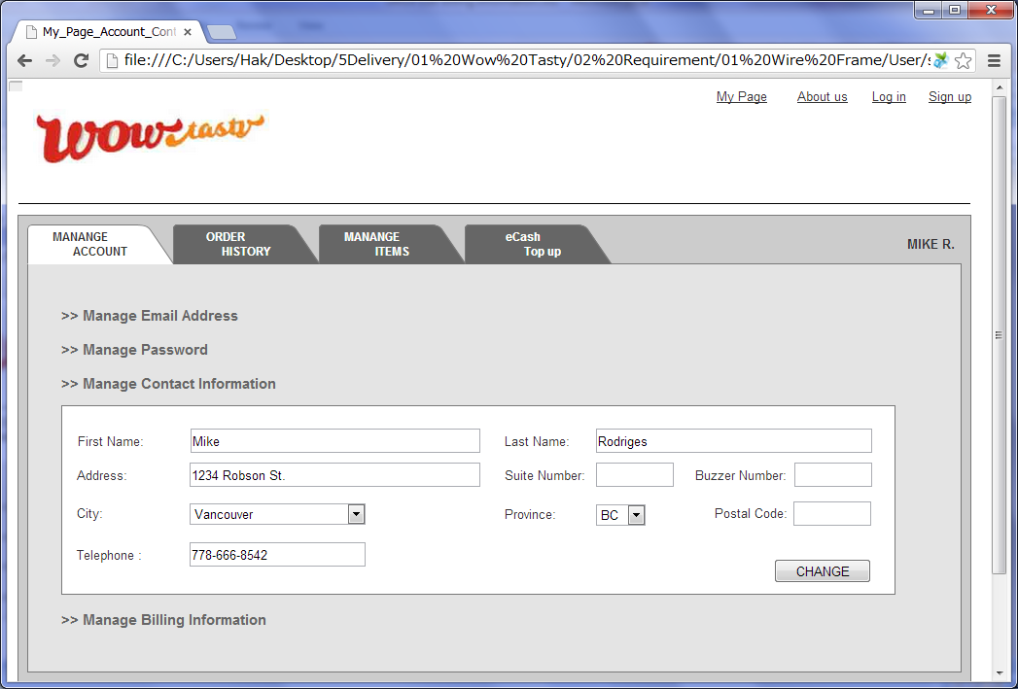

 |  | 2) Field list

 |  | No. | Name |  | Controller |  | Len | Align |  | Default |  | Note
 |  | 1 | First Name |  | Textfield |  | 50 | Left |  | Blank |  | Trim
 |  | 2 | Last Name |  | Textfield |  | 50 | Left |  | Blank |  | Trim
 |  | 3 | Address |  | Textfield |  | 100 | Left |  | Blank |  | Trim
 |  | 4 | Suite Number |  | Textfield |  | 10 | Left |  | Blank |  | Trim
 |  | 5 | Buzzer Number |  | Textfield |  | 10 | Left |  | Blank |  | Trim
 |  | 6 | City |  | Drop down |  | - | - |  | Vancouver |  | City list.
 |  | 7 | Province |  | Drop down |  | - | - |  | BC |  | Province list.
 |  | 8 | Postal Code |  | Textfield |  | 7 | Left |  | Blank |  | Trim
 |  | 9 | Telephone |  | Textfield |  | 20 | Left |  | Blank |  | Trim
 |  | 10 | Change |  | Button

 |  | 3) Validation list

 |  | - Unit validation
 |  | No. | Name |  | Required | Type |  |  | Other |  |  |  |  | Error Message
 |  | 1 | First Name |  | Yes | - |  |  |  |  |  |  |  | E0001
 |  | 2 | Last Name |  | Yes | - |  |  |  |  |  |  |  | E0001
 |  | 3 | Telephone |  | No | Telephone |  |  | 0-9,space,- |  |  |  |  | E0003
 |  | 4 | Suite Number |  | No | Num&Eng |  |  | a-z,A-Z,0-9,space |  |  |  |  | E0003
 |  | 5 | Buzzer Number |  | No | Num&Eng |  |  | a-z,A-Z,0-9,space |  |  |  |  | E0003
 |  | 6 | Postal Code |  | No | Num&Eng |  |  | a-z,A-Z,0-9,space |  |  |  |  | E0003

 |  | - Correlation validation
 |  | No. | Condition |  | Field |  |  |  |  |  | Required |  | Other | Error message

Page Transition
Project Name |  |  |  |  | Wow tasty |  |  | User Type |  | User |  | Writer |  | Hak Choi
Phase |  |  |  |  | Requirements programing design |  |  | Page Name |  | Edit Contact Information |  | Date |  | 11/18/2012
 |  |  |  |  |  | layer
 | 2. Page Transition

 |  | 1) Event List

 |  | No. | Name |  |  |  | Event |  | Condition |  | Destination page
 |  | 1 | Change |  |  |  | Click |  | Validation OK |  | Show [Edit Contact Information] layer
 |  | 2 |  |  |  |  |  |  | Validation Error |  | Show [Edit Contact Information] layer

 |  | 2) Page Transition |  |  |  |  |  |  |  |  |  |  | page |  | layer

1,2

 |  |  |  | Edit Contact Information

